A -Basic Logical
BASIC LOGICAL STATEMENT

EXPENSES |  |  | Expenses over the following amount MUST be approved
Name | Total | Approval Required?
Said Fawzy | £800 |  | Threshold: | £1,000
Samir Hasn | £1,200
Hala Zidan | £1,000
Naglaa Fathy | £750
Mary Morad | £500
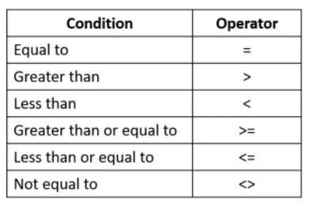
Fekry Askar | £800
Hosam Tayel | £1,300

